Sheet2
Please read instructions first!

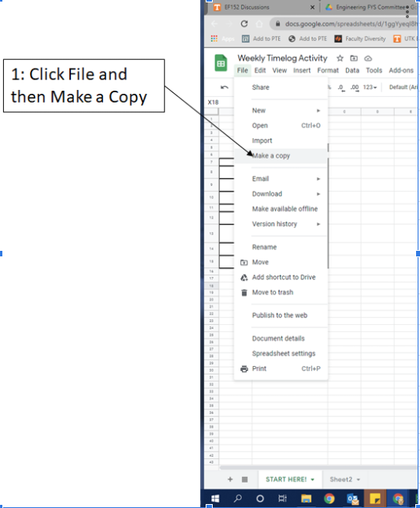
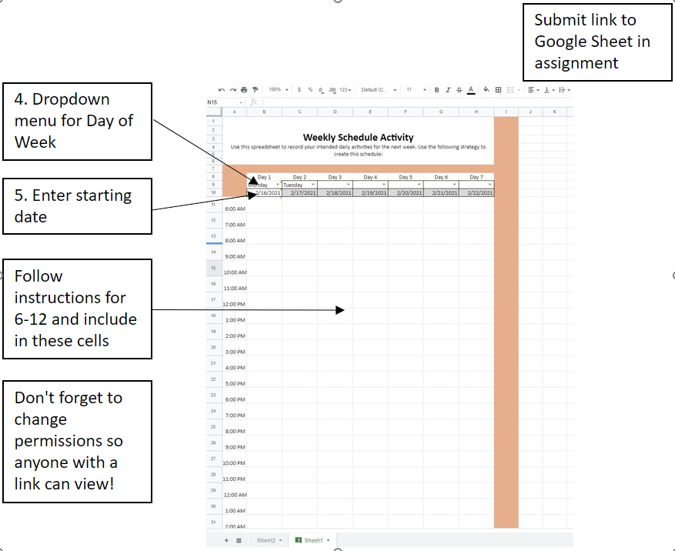

 | Instructions

1 | Click File and then Make a Copy.
2 | Rename the Copy as Lastname_Firstname_Schedule
3 | Save location of your copy to refer to throughout the week
4 | Use dropbox menu to select day in Cell B9
5 | Enter Date in Cell B10
6 | Enter all your weekly appointments, like class meetings, scheduled meetings with staff/faculty, or standing group meetings for class
7 | Enter all standing organization/leadership meetings or your work schedule
8 | Block off times when you can work on specific assignments or study for specific class. This should be SPECIFIC! If you have an english paper due, write down Work on English Paper.
9 | Add times to eat/go to cafeteria.
10 | Block off time to do fun activities like go to the gym, spend time with friends, enjoy down time.
11 | Block off sleep times!
12 | Every time slot should be filled up!
13 | Change permissions to let anyone view the sheet if they have a link
14 | Submit a link to your Google Sheet as part of this assignment.
Once you have read the instructions, proceed to the Weekly Schedule Activity.

